1. Title Page
[Instacart Grocery Basket Analysis]

Project Name: Instacart Grocery Basket Analysis
Date: June 2023
Analyst Name: Emma Wilcox

Contents:
Population Flow
Consistency checks
Wrangling steps
Column derivations
Visualizations
Recommendations

Data frames and citation:
Instacart data set “The Instacart Online Grocery Shopping Dataset 2017”, Accessed from https://www.instacart.com/datasets/grocery-shopping-2017 April 2023
Other datasets | Careerfoundry created a fabricated data set for the purpose of this project

2. Population Flow
Title page

Population flow

Exclusion flag
Condition: max_order <=5
Obervations to be removed: 2107712
Final total count of order_products_all: 28517248

Orders_products_combined
Orders_products_merged
Orders_products_all

Total: 32435059
Total: 32434489
Total:30624960

1.) The grey boxes in the first row of the population flow represent the original data sets as they were when you downloaded them. In the Total fields you need to add the count of the rows when you imported the data set into Jupyter.
2.) The second row of boxes (coloured) represents the data sets after you manipulated them, e.g., removed missing values and duplicates. In the Total fields you need to add the count of the rows after conducting these operations. This offers a visual oveview of how the data flows throughout the data consistency checks.
3.) The third row, where also the arrows are coloured, represents the merges you performed between the datasets. In the Total fields you need to add the count of the rows in the merged datasets, so that you end up with the final dataset (in the red box). Keep in mind the final dataset should be without exclusions (based on the exclusion flag).

3. Consistency checks
 |  |  |  |  |  |  | Title page
Consistency checks

Dataset | Missing values | Missing values treatment | Anomalies | Anomalies treatment | Mixed-data types | Duplicates
orders | 206209 entries in days_since_prior_order column | Imputed missing values with median, 7 | None | None | None | None
products | 16 entries in product_name | Created new dataframe to exclude them | Values of $99,999 found in prices column | None | None | 5 duplicates found and removed
orders_products_prior | None |  | None | None | None
orders_products_merged | 30200 missing entries found in product_name, aisle_id, department_id, price_range_loc, 35327 missing entries in prices | Removed entries | None | None | None | None
customers | 11259 entries in First Name | Removed entries | None | None | None | None

4. Wrangling steps
 |  |  |  |  |  | Title page
Wrangling steps

Data set | columns | Columns dropped | Columns renamed | Columns' type changed | Comment/Reason
Orders | orders_dow |  | renamed to orders_days_of_week |  | more intuitive name
 | order_id |  |  | changed to str | initial guidance
 | order_number |  |  | changed to str | initial guidance
 | order_hour_of_day |  | renamed to time_order_placed |  | more intuitive name
 |  | eval_set |  |  | not needed for analysis
orders_products_merged |  | unnamed: 0.1 |  |  | legacy from merge
 |  | unnamed: 0_x |  |  | legacy from merge
 |  | unnamed: 0_y |  |  | legacy from merge
 | user_id |  |  | changed to int64 | improving runtime
 | order_number |  |  | changed to int64 | improving runtime
 | orders_day_of_week |  |  | changed to into8 | improving runtime
 | time_order_placed |  |  | changed to into8 | improving runtime
 | days_since_prior_order |  |  | changed to float16 | improving runtime
 | add_to_cart_order |  |  | changed to into8 | improving runtime
 | reordered |  |  | changed to into8 | improving runtime
 | merge |  |  | changed to category | improving runtime
 | product_name |  |  | changed to object | improving runtime
 | aisle_id |  |  | changed to float16 | improving runtime
 | department_id |  |  | changed to float16 | improving runtime
 | check |  |  | changed to category | improving runtime
customers | Surnam |  | renamed to Surname |  | more intuitive name
 | n_dependants |  | renamed to number_of_dependants |  | more intuitive name
 | fam_status |  | renamed to family_status |  | more intuitive name
orders_products_combined | mean_order |  |  | changed to float16 | improving runtime
 | number_of_dependants |  |  | changed to float16 | improving runtime
 | activity_level |  |  | changed to int16 | improving runtime
 | product_name |  |  | changed to category | improving runtime
 | loyalty_flag |  |  | changed to category | improving runtime
 | spending_level |  |  | changed to category | improving runtime
 | frequency_of_customer |  |  | changed to category | improving runtime
 | First Name |  |  | changed to category | improving runtime
 | Gender |  |  | changed to category | improving runtime
 | STATE |  |  | changed to category | improving runtime
 | date_joined |  |  | changed to category | improving runtime
 |  | merge |  |  | not needed for analysis
 |  | Check |  |  | not needed for analysis
 |  | New Check |  |  | not needed for analysis
 |  | Surname |  |  | PI considerations
 | Income Range |  |  | changed to category | improving runtime
 | Household_Status_Budget |  |  | changed to category | improving runtime
 | price_range_loc |  |  | changed to category | improving runtime
 | busiest_days_column |  |  | changed to category | improving runtime
 | Lifestage |  |  | changed to category | improving runtime
 | Status_Kids |  |  | changed to category | improving runtime
 | Size of Family |  |  | changed to category | improving runtime
 | Household_Kind_Budget |  |  | changed to category | improving runtime
 | Pet_Supply_Buyer |  |  | changed to category | improving runtime
 | Possible Vegan |  |  | changed to category | improving runtime
 | Meat Buyer |  |  | changed to category | improving runtime
 | Baby Item Buyer |  |  | changed to category | improving runtime
 | Time Ordering |  |  | changed to category | improving runtime
 | Alcohol Buyer |  |  | changed to category | improving runtime

5. Column derivations
 |  |  |  | Title page

Column derivations and aggregations

In this tab you should add tables below that the frequences of flags/label variables that you produced after deriving them. NB: don't do this for continuous variables, only for flags.
Dataset | New column | Column/s it was derived from | Conditions
orders_products_merged | price_range_loc | prices | df_orders_products_merged.loc[df_orders_products_merged['prices'] > 15, 'price_range_loc'] = 'High-range product', df_orders_products_merged.loc[(df_orders_products_merged['prices'] <= 15) & (df_orders_products_merged['prices'] > 5), 'price_range_loc'] = 'Mid-range product', df_orders_products_merged.loc[df_orders_products_merged['prices'] <= 5, 'price_range_loc'] = 'Low-range product'
 | busiest_days_column | orders_day_of_week | result1 = [] for value in df_orders_products_merged["orders_day_of_week"]:
 |  |  | if value in [0, 1]:
 |  |  | result1.append("busiest_days")
 |  |  | elif value in [3, 4]:
 |  |  | result1.append("Slowest_days")
 |  |  | else:
 |  |  | result1.append("Regularly busy")
 |  | busiest_period_of_day | result3 = [] for value in df_orders_products_merged["time_order_placed"]: if value in [10, 11, 14, 12, 16, 15, 13, 9]: result3.append("most_orders") elif value in [17, 18, 8, 19, 20, 7, 21, 22]: result3.append("average_orders") else: result3.append("fewest_orders")
 | max_order | user_id, order_number | df_orders_products_merged['max_order'] = df_orders_products_merged.groupby(['user_id'])['order_number'].transform(np.max)
 | loyalty_flag | max_order | df_orders_products_merged.loc[df_orders_products_merged['max_order'] > 40, 'loyalty_flag'] = 'Loyal customer', df_orders_products_merged.loc[(df_orders_products_merged['max_order'] <= 40) & (df_orders_products_merged['max_order'] > 10), 'loyalty_flag'] = 'Regular customer', df_orders_products_merged.loc[df_orders_products_merged['max_order'] <= 10, 'loyalty_flag'] = 'New customer'
 | mean_order | user_id, prices | df_orders_products_merged['mean_order'] = df_orders_products_merged.groupby(['user_id'])['prices'].transform(np.mean)
 | spending_level | mean_order | df_orders_products_merged.loc[df_orders_products_merged['mean_order'] >= 10, 'spending_level'] = 'High Spender', df_orders_products_merged.loc[df_orders_products_merged['mean_order'] < 10, 'spending_level'] = 'Low Spender'
 | median_order_time | user_id, days_since_prior_order | df_orders_products_merged.groupby('user_id')['days_since_prior_order'].median(), df_orders_products_merged['median_order_time'] = df_orders_products_merged.groupby(['user_id'])['days_since_prior_order'].transform(np.median)
 | frequency_of_customer | median_order_time | df_orders_products_merged.loc[df_orders_products_merged['median_order_time'] > 20, 'frequency_of_customer'] = 'Non-Frequent Customer', df_orders_products_merged.loc[(df_orders_products_merged['median_order_time'] <=20) & (df_orders_products_merged['median_order_time'] > 10), 'frequency_of_customer'] = 'Regular Customer', df_orders_products_merged.loc[df_orders_products_merged['median_order_time'] <=10, 'frequency_of_customer'] = 'Frequent Customer'
orders_products_combined | Region | STATE | result1 = [] for value in df_orders_products_customers_merged["STATE"]: if value in ['Maine', 'New Hampshire', 'Vermont', 'Massachusets', 'Rhode Island', 'Connecticut', 'New York', 'Pennsylvania', 'New Jersey' ]: result1.append("Northeast Region") elif value in ['Wisconsin', 'Michigan', 'Illnois', 'Indiana', 'Ohio', 'North Dakota','South Dakota','Nebraska','Kansas', 'Minnesota', 'Iowa', 'Missouri']: result1.append("Midwest Region") elif value in ['Delaware', 'Maryland', 'District of Columbia', 'Virginia', 'West Virginia', 'North Carolina', 'South Carolina', 'Georgia', 'Florida', 'Kentucky', 'Tennessee', 'Mississippi', 'Alabama']: result1.append("South Region") else: result1.append("West Region")
 | Activity_Level | max_order | result2 = [] for value in df_orders_products_customers_merged["max_order"]: if value <= 5: result2.append("0") else: result2.append("1")
 | Income Range | income | df_nolow_activity.loc[df_nolow_activity['income'] <= 40000, 'Income Range'] = 'Lowest Income', df_nolow_activity.loc[(df_nolow_activity['income'] > 40000) & (df_nolow_activity['income'] < 70000), 'Income Range'] = 'Low Income', df_nolow_activity.loc[(df_nolow_activity['income'] > 70000) & (df_nolow_activity['income'] < 100000), 'Income Range'] = 'Mid Income',
 | Lifestage | Age | result1 = [] for value in df_nolow_activity['Age']: if value in range(0, 25): result1.append("Youth Shopper") elif value in range(26, 54): result1.append("Mid Age Shopper") else: result1.append("Senior Shopper")
 | Status_Kids | number_of_dependants | df_nolow_activity.loc[df_nolow_activity['number_of_dependants'] <= 0, 'Status_Kids'] = 'No', df_nolow_activity.loc[df_nolow_activity['number_of_dependants'] >= 1, 'Status_Kids'] = 'Yes'
 | Size of Family | number_of_dependants | df_nolow_activity.loc[(df_nolow_activity['number_of_dependants'] >= 0) & (df_nolow_activity['number_of_dependants'] < 1), 'Size of Family'] = 'Smaller Family', df_nolow_activity.loc[(df_nolow_activity['number_of_dependants'] >= 1) & (df_nolow_activity['number_of_dependants'] <= 2), 'Size of Family'] = 'Midsize Family', df_nolow_activity.loc[(df_nolow_activity['number_of_dependants'] >= 3), 'Size of Family'] = 'Larger Family'
 | Household_Kind_Budget | Status_Kids, Income Range | df_nolow_activity.loc[(df_nolow_activity['Status_Kids'] == 'No') & (df_nolow_activity['Income Range'] == 'Lowest Income'), 'Household_Kind_Budget'] = 'Low_No_Kids', df_nolow_activity.loc[(df_nolow_activity['Status_Kids'] == 'No') & (df_nolow_activity['Income Range'] == 'Low Income'), 'Household_Kind_Budget'] = 'Low_No_Kids', df_nolow_activity.loc[(df_nolow_activity['Status_Kids'] == 'No') & (df_nolow_activity['Income Range'] == 'Mid Income'), 'Household_Kind_Budget'] = 'Mid_No_Kids', df_nolow_activity.loc[(df_nolow_activity['Status_Kids'] == 'No') & (df_nolow_activity['Income Range'] == 'High Income'), 'Household_Kind_Budget'] = 'High_No_Kids', df_nolow_activity.loc[(df_nolow_activity['Status_Kids'] == 'Yes') & (df_nolow_activity['Income Range'] == 'Lowest Income'), 'Household_Kind_Budget'] = 'Low_With_Kids', df_nolow_activity.loc[(df_nolow_activity['Status_Kids'] == 'Yes') & (df_nolow_activity['Income Range'] == 'Low Income'), 'Household_Kind_Budget'] = 'Low_With_Kids', df_nolow_activity.loc[(df_nolow_activity['Status_Kids'] == 'Yes') & (df_nolow_activity['Income Range'] == 'Mid Income'), 'Household_Kind_Budget'] = 'Mid_With_Kids', df_nolow_activity.loc[(df_nolow_activity['Status_Kids'] == 'Yes') & (df_nolow_activity['Income Range'] == 'High Income'), 'Household_Kind_Budget'] = 'High_With_Kids'
 | Household_Status_Budget | family_status, Income Range | df_nolow_activity.loc[(df_nolow_activity['family_status'] == 'single') & (df_nolow_activity['Income Range'] == 'Low Income'), 'Household_Status_Budget'] = 'Low_Single', df_nolow_activity.loc[(df_nolow_activity['family_status'] == 'single') & (df_nolow_activity['Income Range'] == 'Lowest Income'), 'Household_Status_Budget'] = 'Low_Single', df_nolow_activity.loc[(df_nolow_activity['family_status'] == 'single') & (df_nolow_activity['Income Range'] == 'Mid Income'), 'Household_Status_Budget'] = 'Mid_Single', df_nolow_activity.loc[(df_nolow_activity['family_status'] == 'single') & (df_nolow_activity['Income Range'] == 'High Income'), 'Household_Status_Budget'] = 'High_Single', df_nolow_activity.loc[(df_nolow_activity['family_status'] == 'married') & (df_nolow_activity['Income Range'] == 'Low Income'), 'Household_Status_Budget'] = 'Low_Married', df_nolow_activity.loc[(df_nolow_activity['family_status'] == 'married') & (df_nolow_activity['Income Range'] == 'Lowest Income'), 'Household_Status_Budget'] = 'Low_Married', df_nolow_activity.loc[(df_nolow_activity['family_status'] == 'married') & (df_nolow_activity['Income Range'] == 'Mid Income'), 'Household_Status_Budget'] = 'Mid_Married', df_nolow_activity.loc[(df_nolow_activity['family_status'] == 'married') & (df_nolow_activity['Income Range'] == 'High Income'), 'Household_Status_Budget'] = 'High_Married', df_nolow_activity.loc[(df_nolow_activity['family_status'] == 'divorced/widowed') & (df_nolow_activity['Income Range'] == 'Low Income'), 'Household_Status_Budget'] = 'Low_DivWid', df_nolow_activity.loc[(df_nolow_activity['family_status'] == 'divorced/widowed') & (df_nolow_activity['Income Range'] == 'Lowest Income'), 'Household_Status_Budget'] = 'Low_DivWid', df_nolow_activity.loc[(df_nolow_activity['family_status'] == 'divorced/widowed') & (df_nolow_activity['Income Range'] == 'Mid Income'), 'Household_Status_Budget'] = 'Mid_DivWid', df_nolow_activity.loc[(df_nolow_activity['family_status'] == 'divorced/widowed') & (df_nol
 | Pet_Supply_Buyer | department_id | df_nolow_activity.loc[df_nolow_activity['department_id'] == 8, 'Pet_Supply_Buyer'] = 'Yes', df_nolow_activity.loc[df_nolow_activity['department_id'] != 8, 'Pet_Supply_Buyer'] = 'No'
 | Possible Vegan | department_id | df_nolow_activity.loc[df_nolow_activity['department_id'].isin([12, 16]), 'Possible Vegan'] = 'No', df_nolow_activity.loc[~df_nolow_activity['department_id'].isin([12, 16]), 'Possible Vegan'] = 'Yes'
 | Meat Buyer | department_id | df_nolow_activity.loc[df_nolow_activity['department_id'] == 12, 'Meat Buyer'] = 'Yes', df_nolow_activity.loc[df_nolow_activity['department_id'] != 12, 'Meat Buyer'] = 'No'
 | Baby Item Buyer | department_id | df_nolow_activity.loc[df_nolow_activity['department_id'] == 18, 'Baby Item Buyer'] = 'Yes', df_nolow_activity.loc[df_nolow_activity['department_id'] != 18, 'Baby Item Buyer'] = 'No'
 | Time Ordering | time_order_placed | result2 = [] for value in df_nolow_activity['time_order_placed']: if value in (0, 1, 2, 3, 4, 22, 23): result2.append("Night People") elif value in (5, 6, 7, 8): result2.append("Morning People") else: result2.append("Regular")
 | Alcohol Buyer | department_id | df_nolow_activity.loc[df_nolow_activity['department_id'] == 5, 'Alcohol Buyer'] = 'Yes', df_nolow_activity.loc[df_nolow_activity['department_id'] != 5, 'Alcohol Buyer'] = 'No'

6. Visualizations
 |  |  |  | Title page

Visualisations

In this tab you should include all the visualtions from Exercises 4.9 and 4.10, alongside the questions from the project brief that they answer. Include any commentary on the relationship between different variables.

Question 1 | The Sales team needs to know what the busiest days of the week and hours of the day are (i.e., the days and times with the most orders) in order to schedule ads at times when there are fewer orders.

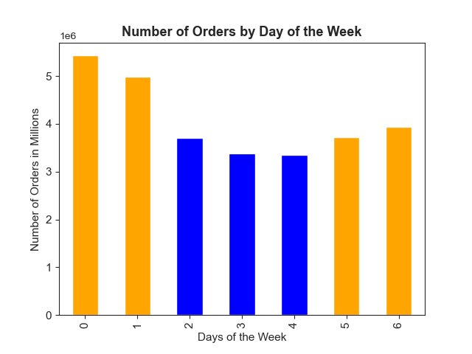
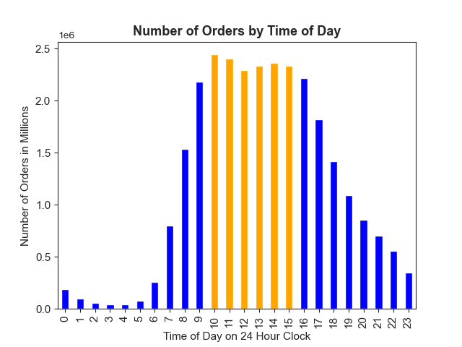

The busiest days of the week are Saturday and Sunday, followed by Monday and Friday. The busiest time range is from 10AM to 3PM, with a peak at 10AM.
Ads could be run to address the midweek lull of Tuesday-Thursday, either by inciting weekday off-peak ordering or getting customers motivated to buy items during the popular days

Question 2 | The Sales team also want to know whether there are particular times of the day when people spend the most money, as this might inform the type of products they advertise at these times.

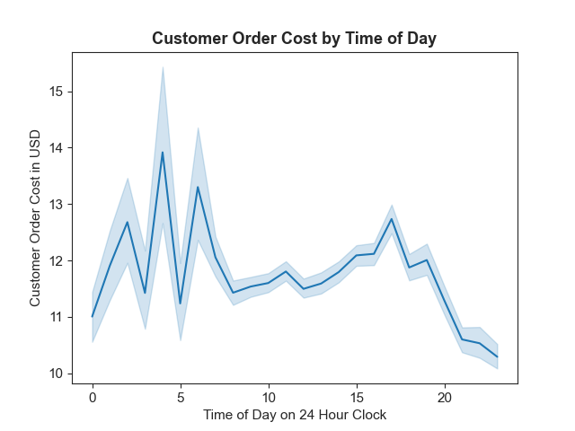
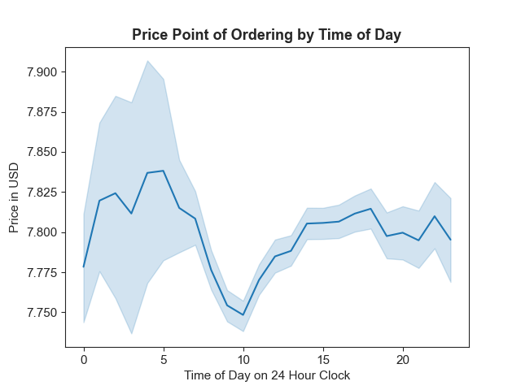

Customers ordering around 4AM ("Night people") pay the most, on average, in terms of their cart cost and the product price they pay.
However, the majority of the customer base places orders between 9AM and 9PM.

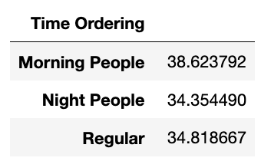

"Morning People" are those ordering between 5AM and 8AM
"Night People" are those ordering between 10 PM and 4AM
"Regular" customers are those ordering between 9AM and 9PM

Notably, "Morning people" have placed the most orders.

While it is probable that these distinct demographics have different motivations and different ad approachs may be necessary,
initial analysis did not reveal any differences between the departments most frequently ordered from, or the quantities of products from the top departments ordered.
A hypothetical “stoner segment” of late night snack ordering spikes can’t be found, for example.

Everyone in the entire customer base has produce, dairy/eggs, snacks, beverages, and frozen items as their most popular departments.
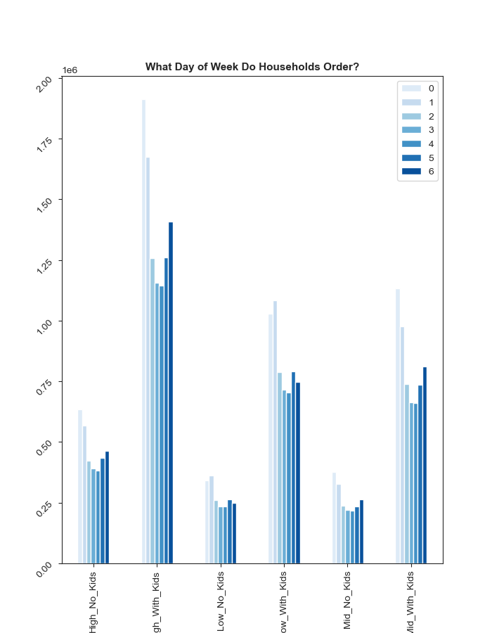

Analysis of ordering times by income level of household indicates that lower income customers, regardless of whether they have children,
order on Sundays more than on Saturdays when most other customers buy. This could be useful for targeting products based on their affordabilty or value.

Question 3 | Instacart has a lot of products with different price tags. Marketing and sales want to use simpler price ranges groupings to help direct their efforts.

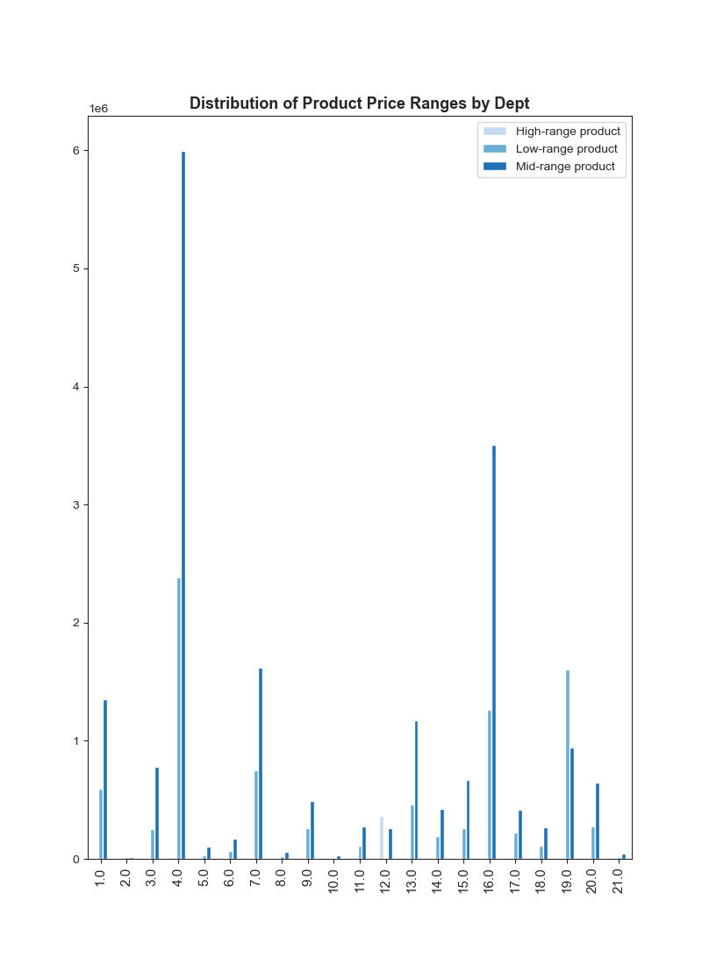

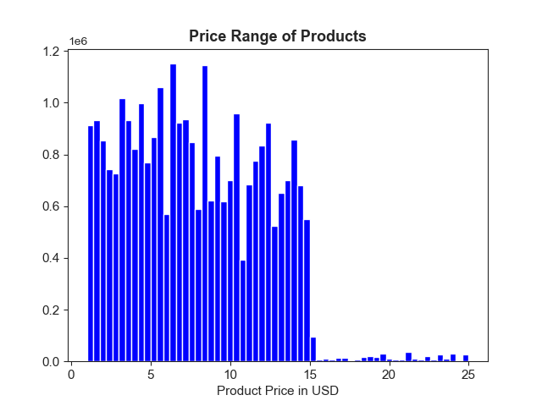

 |  |  | Product prices range from $1 to $25.
 |  |  | Products priced at or under $5 were classed as "Low-range products"
 |  |  | Products priced at more than $5, but under $15 were classed as "Mid-range products"
 |  |  | Products costing more than $15 were classed as "High-range products"

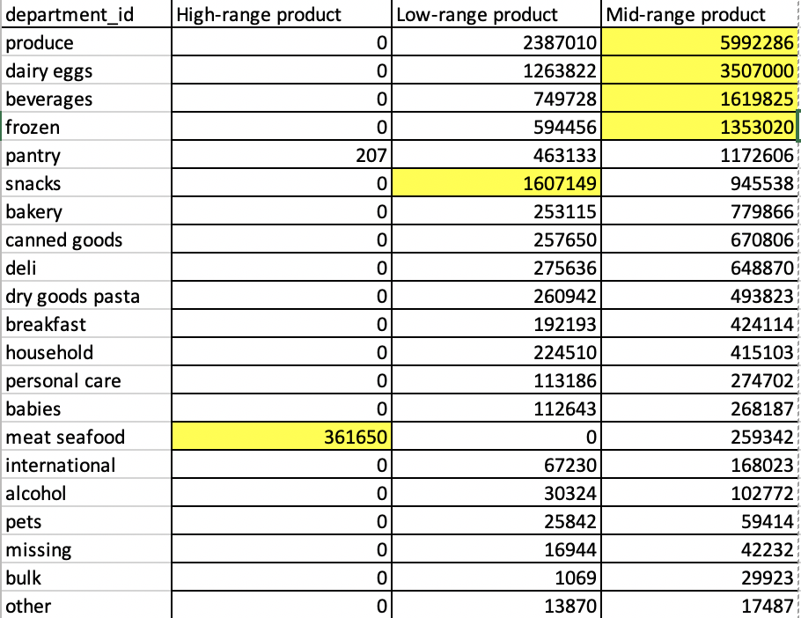

 | The top 5 most popular departments have differing distributions of product range:

 | Meat/seafood has more high-range products, and no low-range items.
 | Snack has more low-range products than mid-range, and no high-range items.

 | Produce, dairy/eggs, frozen and beverages have more mid-range products than
 | low-range, and no high-range items.

Question 4 | Are there certain types of products that are more popular than others? The marketing and sales teams want to know which departments have the highest frequency of product orders

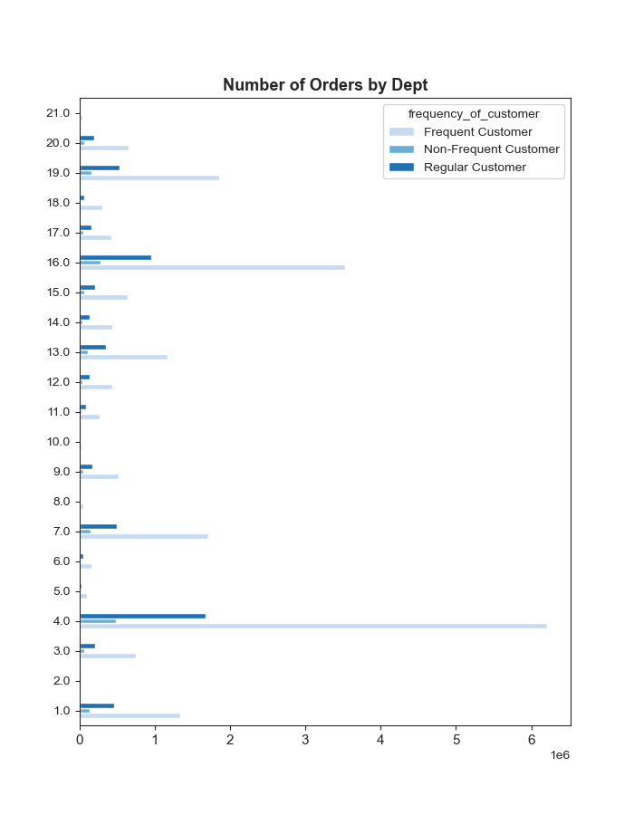
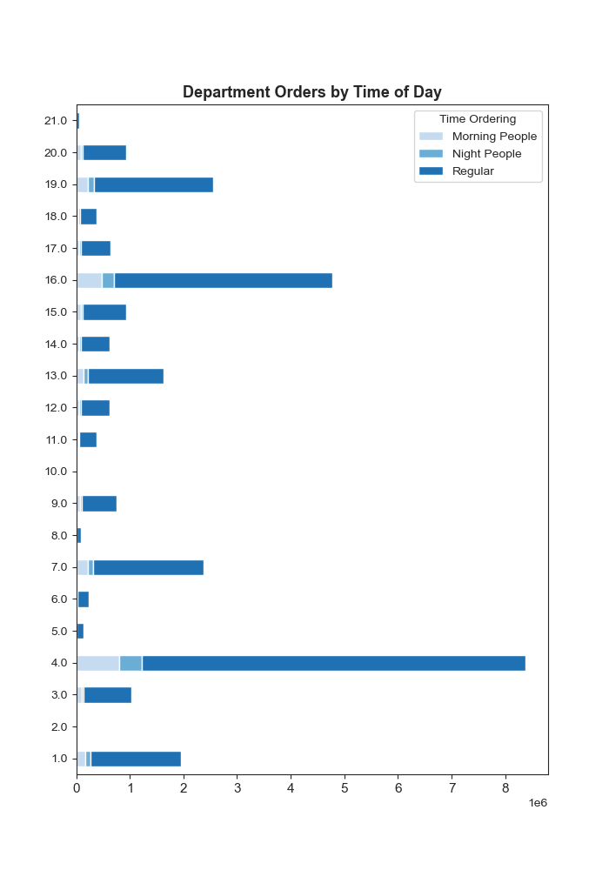

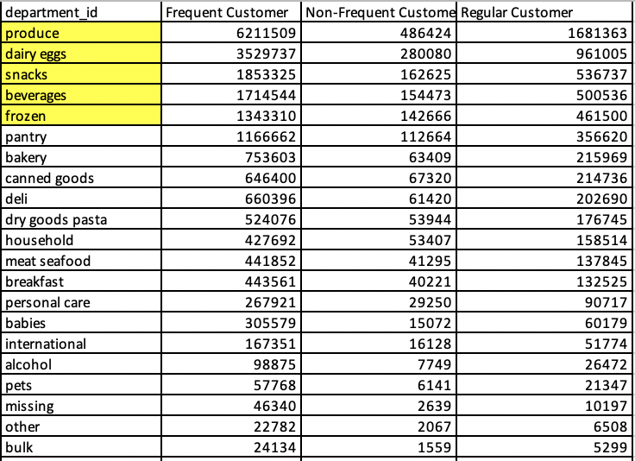

 | Produce leads as the most popular department, with a 29% share of orders.
 | Dairy/eggs accounts for 16% of orders

 | Beverages, snacks and frozen account for 6-8% of orders.
 | For context, no other single department accounts for more than 5% of orders

 | Frequent customers, who return to IC roughly weekly, place 60-75% of overall IC orders
 | from these top departments

 | "Frequent" is defined as customers who place orders at intervals of 10 or less days

 | "Regular" is defined as customers who place orders at intervals of between 10 and 20 days

 | "Non-Frequent" is defined as customers who place orders 20 or more days apart

Question 5 | The marketing teams and sales teams are particularly interested in the different types of customers in their system and how their ordering behaviours differ. For example
 | 1. What's the distribution among users in regards to their brand loyalty (i.e., how often do they return to Instacart)?
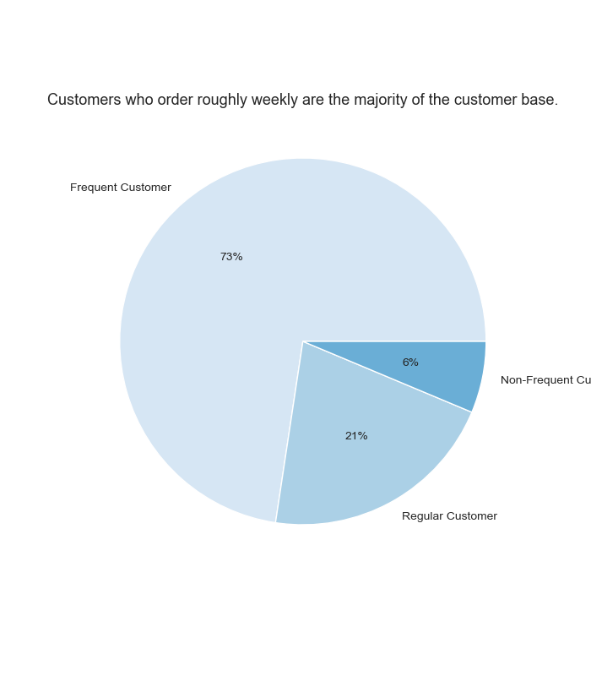
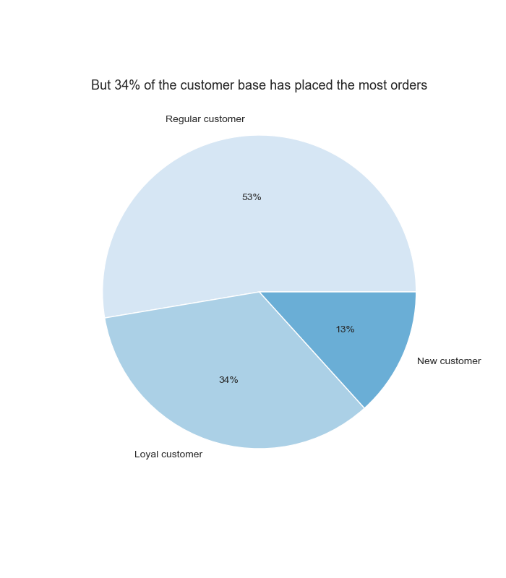

 | "Loyal" is defined as customers who have placed 40 or more orders

 | "Regular" is defined as customers who have placed more than 10, but less than 40 orders

 | "New" is defined as customers who have placed less than 10, but more than 5 orders

 | 2. Are there differences in ordering habits based on a customer's loyalty status?

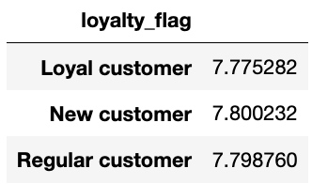

New customers spend slightly more, on average, with a slight decline in spending over time, presumably as some customers become loyal.

Loyal customers are slightly more likely than other customers to order early in the morning.
New customers with few orders placed are somewhat more likely to order late at night

Overall, however, there are not any major differences between the ordering habits of customers in accordance
with their loyalty level. Customers at all levels have the same 5 most popular departments to order from.

 | 3. Are there differences in ordering habits based on a customer's region?

Customers were grouped into 4 US Census regions, based on their location: Northeast, South, Midwest and West.
The population for these regions is not uniform, and accounts for different percentages of the US population.

The percentage of loyal customers in each region's total customer base is consistent, 31-32%, and the percentage of new customers is the same across region.

Comparing how many existing customers there are in each region with what percentage of the total US population a region accounts for reveals marketshare
to be captured, with 20% of estimated population to capture as customers in the Norhteast, and 28% oin the South

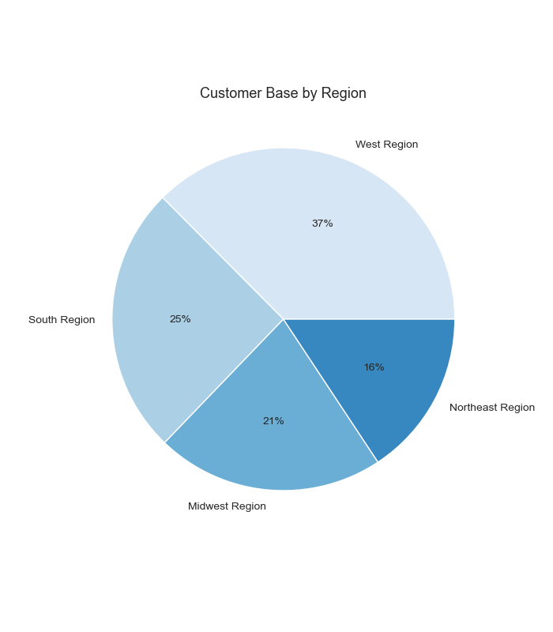
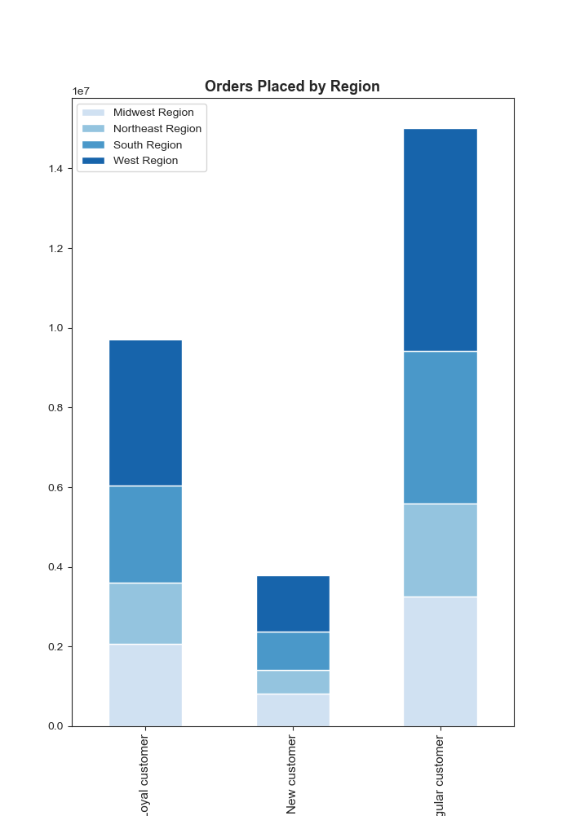

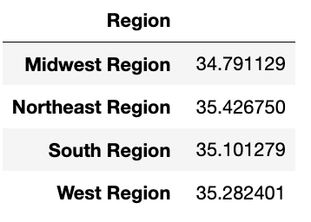

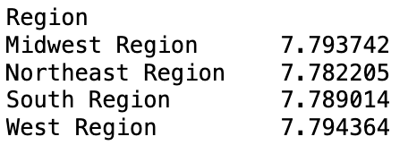

The Western region has the largest number of customers.
The Northeast has a slightly higher average number of orders. The Midwest has the lowest average number of orders.
The Western region’s customers, though, pay the highest average product price when they order.

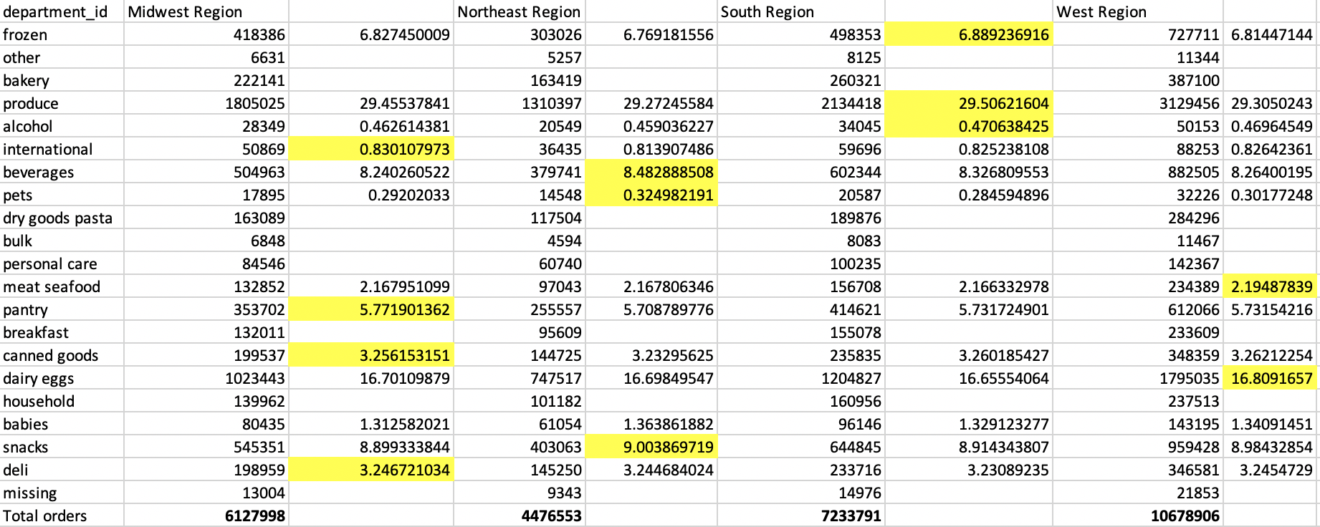

There are numerous relatively subtle regional ordering differences, by department, that could be part of a business strategy:

Examples:

Midwestern customers buy slightly more canned goods. Research is needed to determine if the anecdotal association of the region
with casseroles made using canned foods can be proven with data. Campbell’s estimates 40 percent of its cream of mushroom soup sold
domestically is used for Green Bean Casserole.

Westerners buy slightly more from the meat/seafood department, which may account for the slightly higher product price paid in their orders.

Southerners buy more frozen items, research is needed into the climatic, or cultural factors leading to this preference.

4. Is there a connection between age and family status in terms of ordering habits?

There is age diversity in the customer base, with the youngest 18 and the eldest 81. The majority of customers have at least one child at home, and are married.

The use of a combined category for both divorced and widowed customers may necessitate further research,
with zero customer under ages 60 identified as "divorced/widowed," but customers from ages 22-59 identifying
as either married or single. Younger divorcees may be identifying as "single."

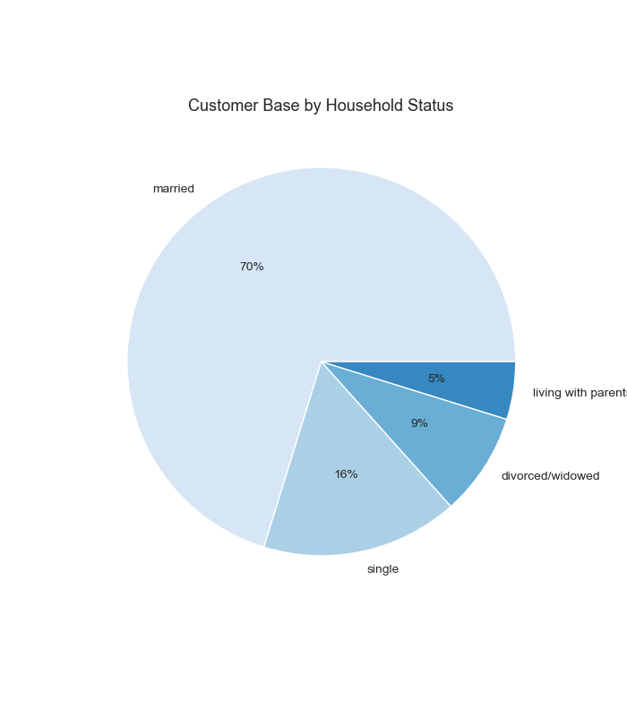
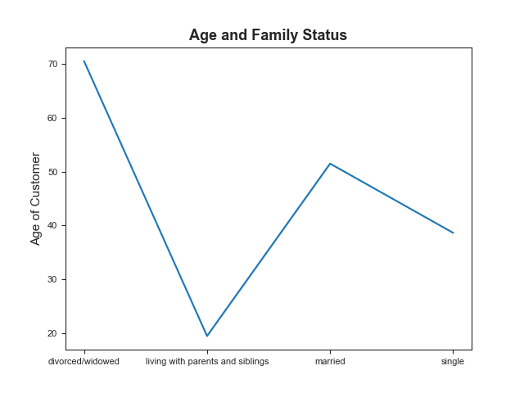

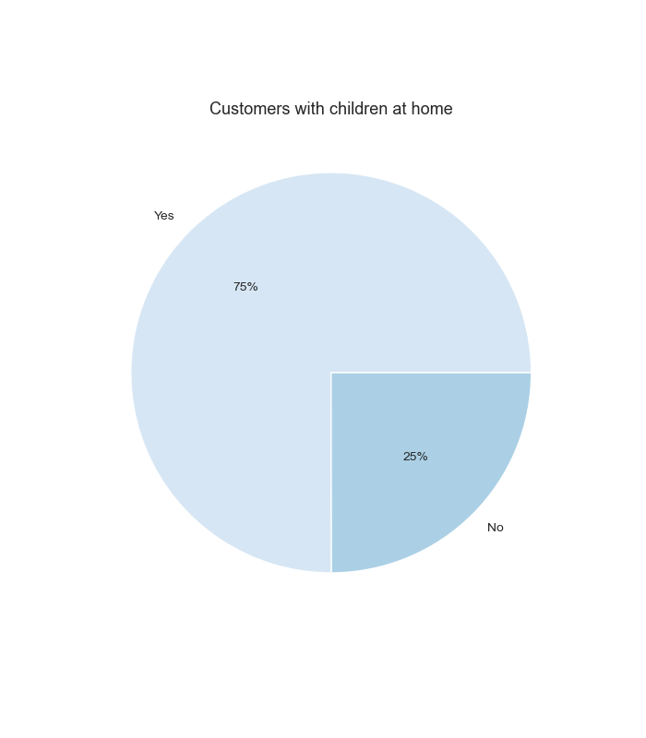

 |  | "Senior" customers are defined as being aged 55 or above
 |  | "Mid Age" customers are defined as being between ages 25 and 54
 |  | "Youth" customers are aged under 25

 |  | There are customers aged 55+ and customers ages 25-54 in roughly the same proportion, with a minority of other customers who are under 25.

 |  | With so many seniors already represented in the customer base, research should be conducted as to any specific motivations or interests they have.
 |  | Top departments they order from are not different from the Mid Age cohort.

 | Households with 1-2 children at home are 50% of the customer base.
 | There is size diversity in the remaining customer base’s households: larger households, with 3 children, and smaller households, with no children present, each are at 25%.

 | The total number of people of any age living in one household cannot be determined due to the limitations of the data:
 | a household of multiple, unmarried adult siblings and a household of one single person would both currently be categorized as a "smaller" household.

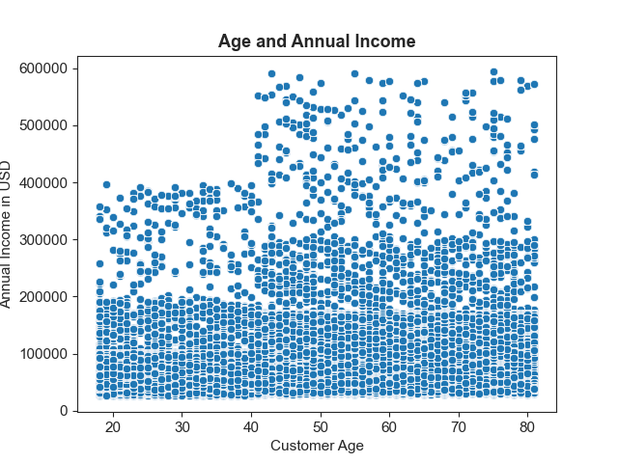

 |  | Customers entering mid-life tend to have higher incomes,

 |  | Customers with incomes equal to or over $100,000 are the majority of the IC base

 |  | "High Income" customers were defined as having annual incomes of $100,000 or more
 |  | "Mid Income" customers were defined as having annual incomes of more than $70,000 but less than $100,000
 |  | "Low Income" customers were defined as having annual incomes of more than $40,000 but less than $70,000
 |  | "Lowest Income" customers were defined as having annual incomes of less than $40,000

5. What different types of classifications does the demographic information suggest? Age? Income? Certain types of goods? Family status?

Customer's income levels and household composition were combined to create new categories:
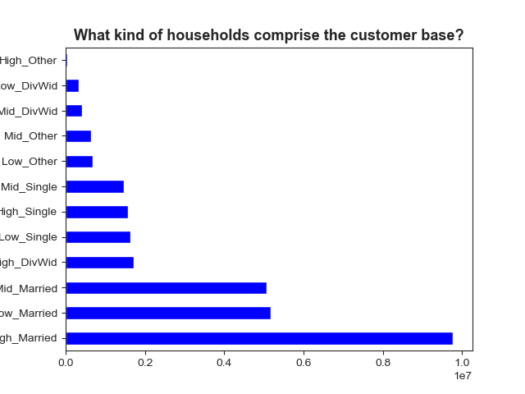
12 categories for "Household Status Budget"

Married households with high incomes
Married households with mid-range incomes
Married households with low incomes

Single households with high incomes
Single households with mid-range incomes
Single households with low incomes

Divorced/widowed households with high incomes
Divorced/widowed households with mid-range incomes
Divorced/widowed households with low incomes

High income customers living with parents and/or siblings
Mid range income customers living with parents and/or siblings
Low income customers living with parents and/or siblings

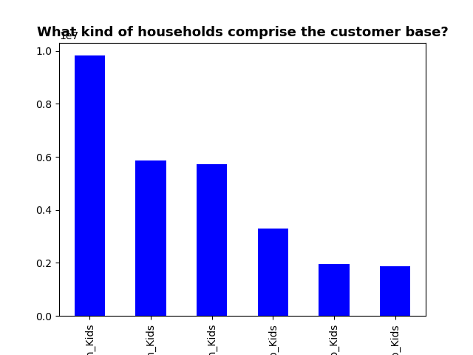

 |  |  | 6 categories for "Household Kind Budget"

 |  |  | High income households with children
 |  |  | Mid range income households with children
 |  |  | Low income households with children

 |  |  | High income households with no children present
 |  |  | Mid income households with no children present
 |  |  | Low income households with no children present

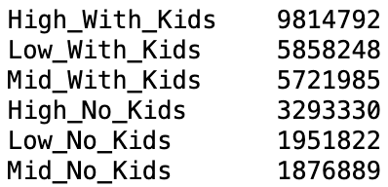

High-income households with children are the largest family income demographic represented in the customer base, but there are meaningful segments of many other kinds of households

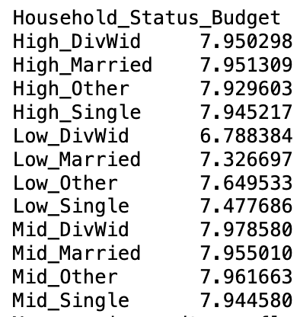

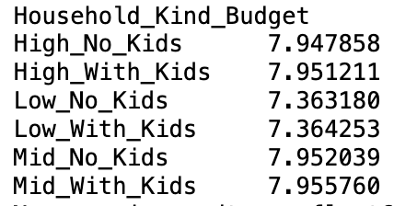

Thinking about the customer base in terms of income and presense of children reveals that the highest average product price is paid by:
1) Mid-income families with children, 2) Mid-income families without children, and 3) High-income families with children.
However, thinking about the customer base in terms of family status reveals a kind of household that pays more, on average, for products than any other kind of customer:
1) Mid-income households that are divorced or widowed, followed by 2) Mid-income households living with parents or siblings and 3) Mid-income married households.

This would suggest further analysis, to see if there are segments like “Mid-income divorced with children,” or parse out Mid-income divorcees from widowers in terms of buying habits.
With the current segmentation, Mid-income divorced or widowed households pay more on average than any of the other segments, including High-income with children, even.

Whether Mid-income earners living at home with family and buying high-priced products will go on to place large orders for their growing families once married could also be investigated with temporal analysis.

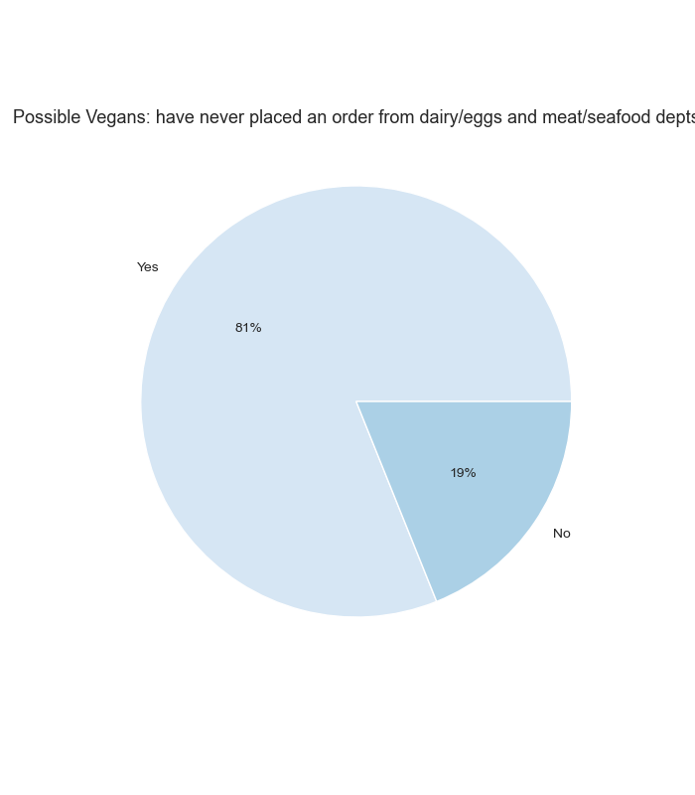
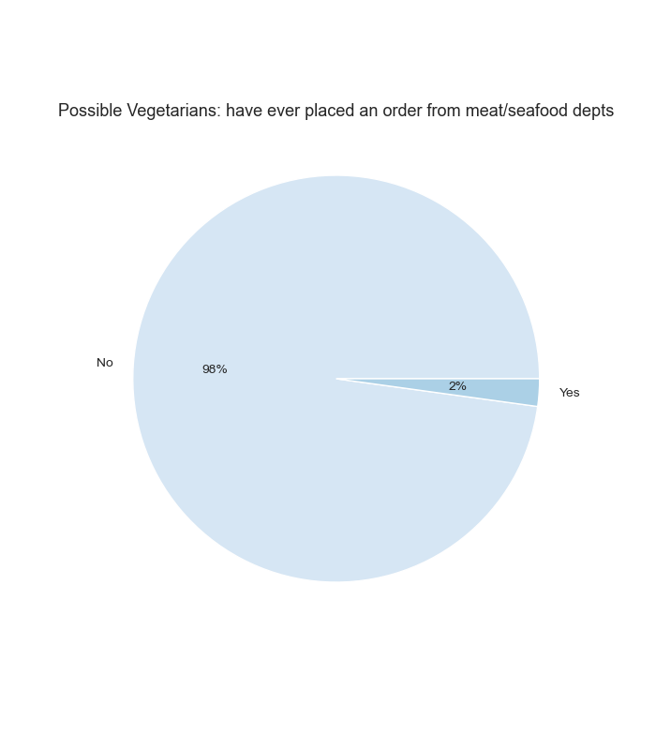

Only 2% of the customer base is using Instacart for meat/seafood purchases
In theory within the remaining 98% there could be segments of vegetarians, customers sourcing Halal or Kosher meats, and others.

Only 19% of the customer base uses Instacart for dairy, eggs, meat and seafood.
Additional data enrichment and analysis could be used to locate a potential segment of vegans within the 81% who don’t order items from these departments.

Because products in the Meat/Seafood department are high-priced, and Produce is a frequently ordered kind of product,
there could be profit in researching customer-decisionmaking as influenced by dietary preferences and/or budget concerns, on a more granular level.
Are there demographics who could be named "vegetable enthusiasts"?

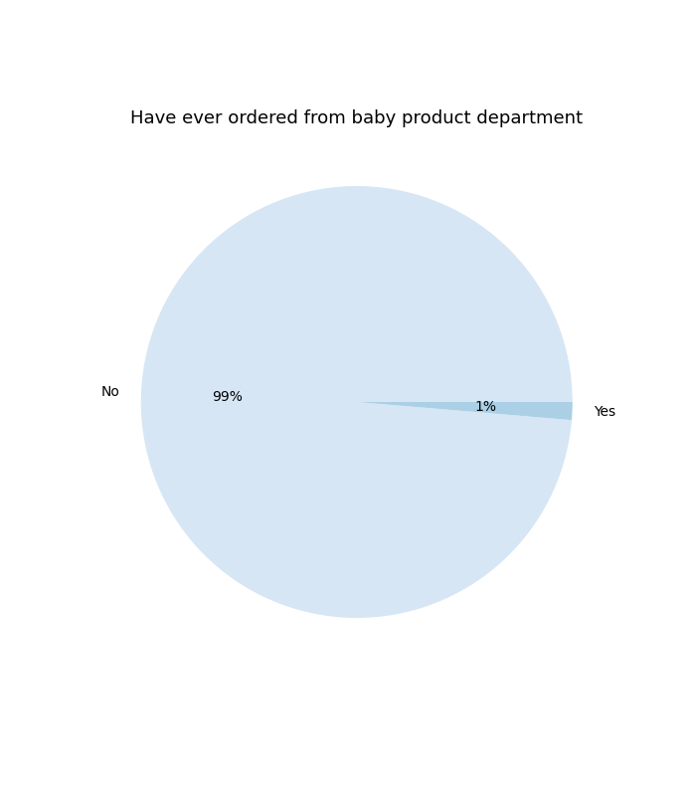

Less than 1% of the customer base is using Instacart to buy baby items, but 75% of the customer base has one or more dependents at home, some of whom are likely to be infants.
Given that leaving the house for errands with small children can be challenging, this seems like a potential growth area if customer behavior can be changed.

Similarly, less than 1% of the customer base is currently using Instacart to purchase pet products
This does not actually evidence pet ownership amongst households, but simply indicates low levels of customers using Instacart to address their pet’s needs.

7. Recommendations
 |  |  | Title page

Recommendations

In this tab you should include any recommendations you would made to Instcart in terms of their marketing strategy based on the questions posed in the brief. Every key question has been covered in the Tasks of the Exercises - here you need to add an item - a visualisation or table/crosstable that is showing the answer in the data, acompanied by a comment from you. Please, list the questions below and add the answer underneath.

Question 1 | The Sales team needs to know what the busiest days of the week and hours of the day are (i.e., the days and times with the most orders) in order to schedule ads at times when there are fewer orders.
Ads could be run to address the midweek lull of Tuesaday-Thursday, either by inciting weekday off-peak ordering
or getting customers motivated to buy items during the popular days of Saturday and Sunday.
Question 2 | The Sales team also want to know whether there are particular times of the day when people spend the most money, as this might inform the type of products they advertise at these times.
Overall peak ordering time is 10AM till about 3PM. So ads could be scheduled from 10AM-3AM with a general focus on the top five most popular departments
Late night order-placers tend to spend more per product, so ads during the late night range of 5AM to 8AM could be for higher-priced products
Early morning customers place the most orders, also in the top five most popular departments, so strategic use of discount offers to make for larger checkout carts could be deployed
Question 3 | Instacart has a lot of products with different price tags. Marketing and sales want to use simpler price ranges groupings to help direct their efforts.
Products under $5 were classed as Low-range, those more than $5 but under $15 as Mid-range, and those over $15 and up to $25 as High-range.
There are only two departments, Meat/seafood, and Pantry, that include High-range products, otherwise each department has some proportion of both low and mid-range items.
Recipe-based specials could be run combining low/mid-range items with high-range items to encourage more ordering of Meat/seafood and Pantry purchases. With the current high costs of
restauarant /takeout dining, positioning grocery delivery as a fun, viable and affordable alternative could be effective. (currently only 2% of the customer base is using IC for meat/seafood purchasing.)
Question 4 | Are there certain types of products that are more popular than others? The marketing and sales teams want to know which departments have the highest frequency of product orders
Across demographic, 5 departments account for most orders: Produce leads as the most popular department, with a 29% share of orders, with Dairy/eggs accounting for 16% of orders
Beverages, snacks and frozen account for 6-8% of orders. (For context, no other single department accounts for more than 5% of orders)
Because produce is so popular, including heightened popularity with high-wealth households, and because it needs to be bought frequently due to short shelf life, there should be research
dedicated to the specific products (fruit vs veggies, etc) being bought, and anything that is motivating customers, ie culinary traditions, health concerns, need to pack lunches for adults and
children, vegetarianism…While customers likely know that Dairy/egg department products are versatile, recipe-based, suggestion-oriented marketing could boost sales. Example: use sour cream
for more flavor in baked goods, grate cheese onto roasted vegetables. Lastly, for more shelf-stable departments beverages, snacks and frozen, marketing could focus both on stocking up,
and value from coupons, but also on occasions, ie snacks and beverages for parties. |  | A potential growth area may also be investigating why so few households are using IC for pet or baby products
when data enrichment is likely to prove pet ownership is prevelant amongst Americans and such a large share of the customer base reports dependents.
Question 5 | The marketing teams and sales teams are particularly interested in the different types of customers in their system and how their ordering behaviours differ. For example
 | 1. What's the distribution among users in regards to their brand loyalty (i.e., how often do they return to Instacart)?
Loyal customers (with more than 40 orders) make up 34% of the customer base, with customers of moderate loyalty ("Regular" with between 11 and 39 orders) making up the majority at 53%.
New customers with between 5 and 10 orders placed make up 19% of the base.
The ordering intervals seen in the majority of customers is frequent, with 73% placing orders close to weekly (10 days apart or less)
With most customers engaged, IC should reward the loyal, and tie frequency of ordering to discounts, point-based reward system, or other incentives. To convert more of the new customers,
marketing should send targeted messages for customers first few orders and potentially even discount items they have ordered previously, to develop the habit.
 | 2. Are there differences in ordering habits based on a customer's loyalty status?
New customers spend slightly more, on average, with a slight decline in spending over time, presumably as some customers become loyal.
Loyal customers are slightly more likely than other customers to order early in the morning. New customers with few orders placed are somewhat more likely to order late at night
Overall, however, there are not any major differences between the ordering habits of customers in accordance with their loyalty level. Customers at all levels have the same 5 most popular
departments to order from.
 | 3. Are there differences in ordering habits based on a customer's region?
Customers were grouped into 4 US Census regions, based on their location: Northeast, South, Midwest and West. The population for these regions is not uniform, and accounts for different
percentages of the US population. The Western region has the largest number of customers, but marketshare left to capture may also be useful measure for strategy. These Western customers
pay somewhat higher average product price when they order. The Northeast has a slightly higher average number of orders. The Midwest has the lowest average number of orders.
Comparing how many existing customers there are in each region with what percentage of the total US population a region accounts for reveals marketshare to be captured, with 20% of estimated
region population to capture as customers in the Northeast and 28% in the South. Suggested strategy is to combine relatively subtle regional product preferences with other demograhic data
discussed below for a multi-part effort across the US
 | 4. Is there a connection between age and family status in terms of ordering habits?
There is age diversity in the customer base, with the youngest 18 and the eldest 81. Segmenting the data by 25 and under, 25-54, and 55+ reveals that 25% of the customer base is close to or
in the Senior demographic, a meaningful lifestage segment for research. The majority of customers have at least one child at home (75%) , and are married (70%). The use of a combined category
for both divorced and widowed customers may necessitate further research, with zero customer under ages 60 identified as "divorced/widowed," but customers from ages 22-59 identifying as either
married or single. Younger divorcees may be identifying as "single." Households with 1-2 children at home are 50% of the customer base. There is size diversity in the remaining customer base’s
households: larger households, with 3 children, and smaller households, with no children present, each are at 25%

The total number of people of any age living in one household cannot be determined due to the limitations of the data: a household of multiple, unmarried adult siblings and a household of one
single person would both currently be categorized as a "smaller" household. Suggested strategy is to focus on the ordering habits of older people, ie are retirees more likely to be focusing on
shopping during the day, or perhaps planning for family visits set for the weekends? Additional strategy is to enrich data and attempt to gain more nuance as to household composition in terms
of adult dependents, household size, and self-identification as "single," "widowed," or "divorced" to grow the IC customer base beyond the current core customer of married, wealthy households.
 | 6. What differences can be found in ordering habits of different customer profiles? Consider the price of orders, the frequency of orders, the products customers are ordering, and anything else.
Customers entering mid-life tend to have higher incomes, and customers with incomes equal to or over $100,000 are the majority of the IC base. High-income households with children are the
largest family income demographic represented in the customer base, but there are meaningful segments of many other kinds of households, including some whose ordering habits seem likely
to be a source in increased profits if considered. Thinking about the customer base in terms of income and presense of children reveals that the highest average product price is paid by:
1) Mid-income families with children, 2) Mid-income families without children, and 3) High-income families with children. Product-by-product level analysis and customer focus groups could add
nuance to the motivations and habits of households in the mid-income range of above $70,000 to under $100,000. However, thinking about the customer base in terms of family status reveals
a kind of household that pays more, on average, for products than any other kind of customer: 1) Mid-income households that are divorced or widowed, followed by 2) Mid-income households
living with parents or siblings and 3) Mid-income married households. This would suggest further analysis, to see if there are segments like “Mid-income divorced with children,” or parse out
Mid-income divorcees from widowers in terms of buying habits. With the current segmentation, Mid-income divorced or widowed households pay more on average than any of the other segments,
including High-income with children, even. Whether Mid-income earners living at home with family and buying high-priced products will go on to place large orders for their growing families once
married could also be investigated with temporal analysis.

Overall it is strongly reccomended that research into household composition/size, mid-income individuals, and "non-married" individuals be undertaken to harness this proclivity towards higher priced
product purchases.

To increase profits in a region with a fully proportionate customer base such as the Midwest, further research is recommended on minor regional cultural differences (ex: a hypothetical
“casserole belt”) seen in higher purchasing levels of canned good, international, deli, and pantry items, with the latter product category one of only two that includes exclusively high-priced items.
The Midwest has the highest percentage of 3 of the top-spending demographic segments: High-income households with children, Mid-income households without children, and Divorced or
widowed mid-income households. While it is currently the region with the most infrequent orders, the presence of demographics that pay high product prices suggests possibility.

To increase profits in a region with marketshare to be captured, such as the South (28%), research is recommended into the motivations of produce orderers. This is the most frequently
ordered kind of product nationally, with the highest sales in the South, where 2 of the top-spending demographics have the highest percentage: Mid-income married households, and Mid-income
households with children. With the youngest customer base in the nation, there also is room to establish spending habits. While further regional analysis will be needed, younger Americans are more
likely to be vegetarians, with theoretically higher produce consumption.

Lower income households comprise a similar share of the overall customer base to mid-income households, and if there was leadership interest in exploring their profit potential, ads run on
Sundays, when they are more likely to order than any other kind of household, might develop a new revenue stream.

